Track
2-Mar-2021
 | Planning | Approved | Pending Approval | In Progress | Completed
2021-01-25 | 8 | 108 | 11 | 0 | 0
2021-02-10 | 9 | 59 | 10 | 7 | 56
2021-03-01 | 4 | 32 | 10 | 15 | 90
2021-04-01
Must | 139
Optional | 7
Nice to have | 6
Deprecated | 0
 | 152

Planning | 4
Pending Approval | 10
Approved | 32
In Progress | 15
Pending Review | 0
On Hold | 1
Completed | 90

Deliverables |  | Requirement Status
Date | Revision | Planning | Approved | Pending Approval | In Progress | Completed
2021-01-25 | 1.0 | 8 | 108 | 11 | 0 | 0
2021-02-10 | 1.1 | 9 | 59 | 10 | 7 | 56
2021-03-01 | 1.2 | 4 | 32 | 10 | 15 | 90
2021-04-01

Diagrams
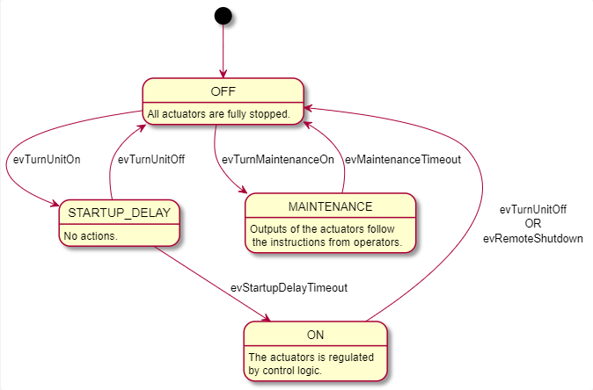
@startuml Unit Status SM

[*] --> OFF

OFF : All actuators are fully stopped.
OFF --> STARTUP_DELAY : evTurnUnitOn
OFF --> MAINTENANCE : evTurnMaintenanceOn

STARTUP_DELAY : No actions.
STARTUP_DELAY --> ON : evStartupDelayTimeout
STARTUP_DELAY --> OFF: evTurnUnitOff

ON : The actuators is regulated\nby control logic.
ON --> OFF : evTurnUnitOff\nOR\nevRemoteShutdown

MAINTENANCE : Outputs of the actuators follow\n the instructions from operators.
MAINTENANCE --> OFF : evMaintenanceTimeout

@enduml

@startuml Condensate Pump Control SM
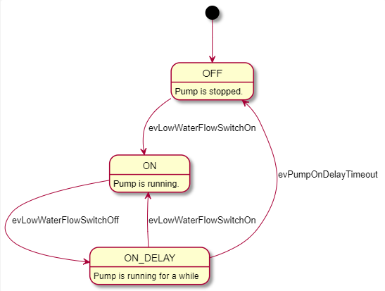
[*] --> OFF

OFF : Pump is stopped.
OFF --> ON : evLowWaterFlowSwitchOn

ON : Pump is running.
ON --> ON_DELAY : evLowWaterFlowSwitchOff

ON_DELAY : Pump is running for a while
ON_DELAY --> OFF : evPumpOnDelayTimeout
ON_DELAY --> ON : evLowWaterFlowSwitchOn

@enduml

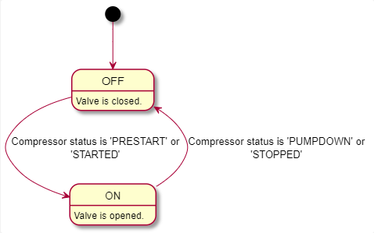
@startuml Solenoid Valve Control SM

[*] --> OFF

OFF : Valve is closed.
OFF --> ON : Compressor status is 'PRESTART' or\n'STARTED'

ON : Valve is opened.
ON --> OFF : Compressor status is 'PUMPDOWN' or\n'STOPPED'

@enduml

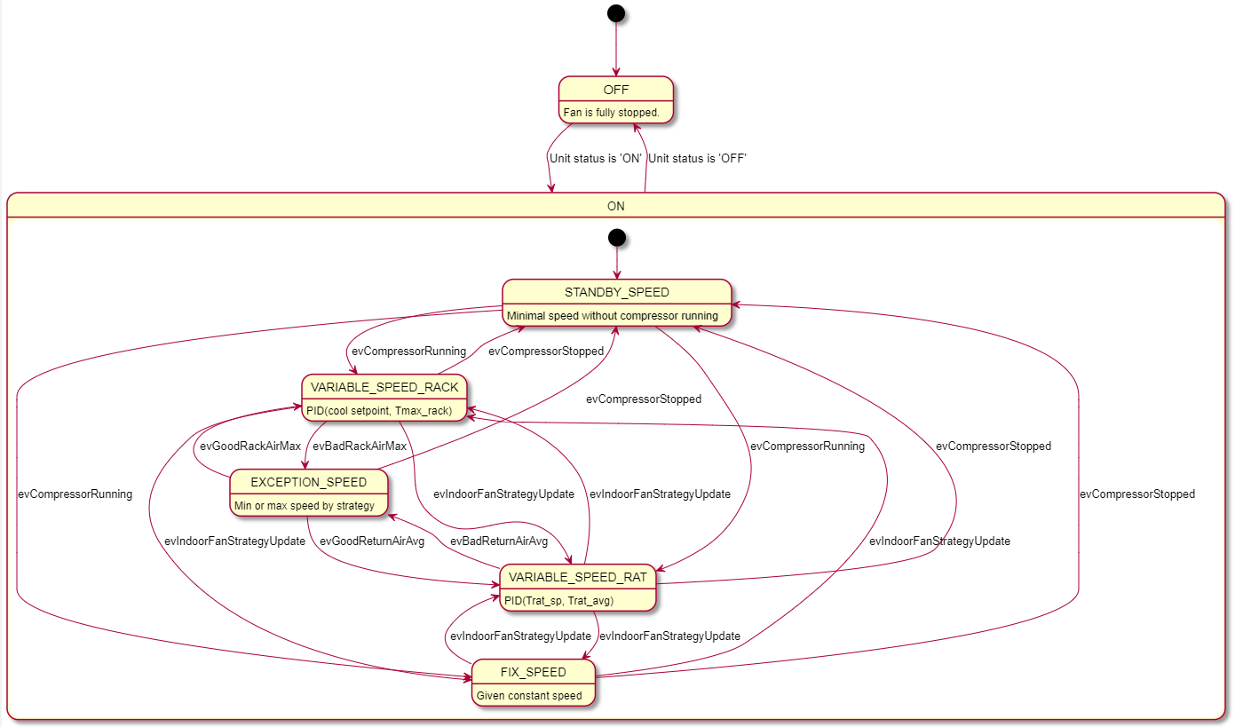
@startuml Evaporator Fan Control SM

[*] --> OFF

OFF : Fan is fully stopped.
OFF --> ON : Unit status is 'ON'

state ON {
[*] --> STANDBY_SPEED

STANDBY_SPEED: Minimal speed without compressor running
STANDBY_SPEED --> VARIABLE_SPEED_RACK : evCompressorRunning
STANDBY_SPEED --> VARIABLE_SPEED_RAT : evCompressorRunning
STANDBY_SPEED --> FIX_SPEED : evCompressorRunning

VARIABLE_SPEED_RACK: PID(cool setpoint, Tmax_rack)
VARIABLE_SPEED_RACK --> VARIABLE_SPEED_RAT : evIndoorFanStrategyUpdate
VARIABLE_SPEED_RACK --> FIX_SPEED : evIndoorFanStrategyUpdate
VARIABLE_SPEED_RACK --> EXCEPTION_SPEED : evBadRackAirMax
VARIABLE_SPEED_RACK --> STANDBY_SPEED : evCompressorStopped

VARIABLE_SPEED_RAT: PID(Trat_sp, Trat_avg)
VARIABLE_SPEED_RAT --> VARIABLE_SPEED_RACK : evIndoorFanStrategyUpdate
VARIABLE_SPEED_RAT --> FIX_SPEED : evIndoorFanStrategyUpdate
VARIABLE_SPEED_RAT --> EXCEPTION_SPEED : evBadReturnAirAvg
VARIABLE_SPEED_RAT --> STANDBY_SPEED : evCompressorStopped

FIX_SPEED: Given constant speed
FIX_SPEED --> VARIABLE_SPEED_RACK : evIndoorFanStrategyUpdate
FIX_SPEED --> VARIABLE_SPEED_RAT : evIndoorFanStrategyUpdate
FIX_SPEED --> STANDBY_SPEED : evCompressorStopped

EXCEPTION_SPEED: Min or max speed by strategy
EXCEPTION_SPEED --> VARIABLE_SPEED_RACK : evGoodRackAirMax
EXCEPTION_SPEED --> VARIABLE_SPEED_RAT : evGoodReturnAirAvg
EXCEPTION_SPEED --> STANDBY_SPEED : evCompressorStopped
}
ON --> OFF : Unit status is 'OFF'

@enduml

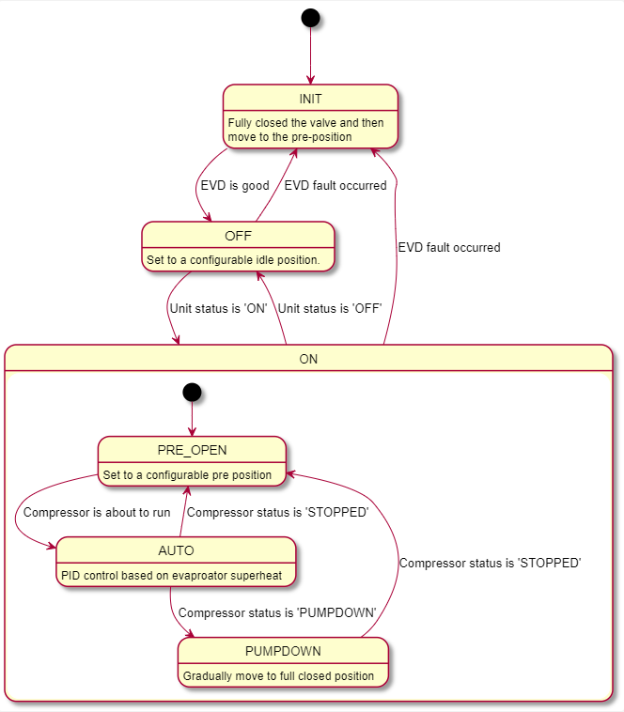
@startuml EEV Control SM Control SM

[*] --> INIT

INIT : Fully closed the valve and then\nmove to the pre-position
INIT --> OFF : EVD is good

OFF : Set to a configurable idle position.
OFF --> ON : Unit status is 'ON'
OFF --> INIT : EVD fault occurred

state ON {
[*] --> PRE_OPEN

PRE_OPEN : Set to a configurable pre position
PRE_OPEN --> AUTO : Compressor is about to run

AUTO : PID control based on evaproator superheat
AUTO --> PUMPDOWN : Compressor status is 'PUMPDOWN'
AUTO --> PRE_OPEN : Compressor status is 'STOPPED'

PUMPDOWN : Gradually move to full closed position
PUMPDOWN --> PRE_OPEN : Compressor status is 'STOPPED'
}
ON --> OFF : Unit status is 'OFF'
ON --> INIT : EVD fault occurred

@enduml

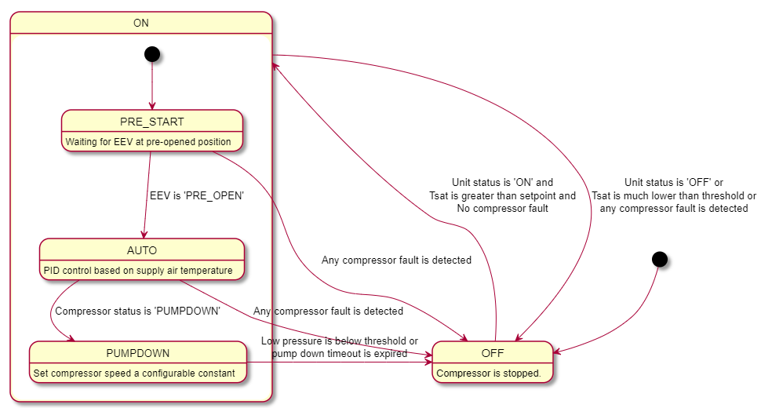
@startuml Compressor Control SM Control SM

[*] --> OFF

OFF : Compressor is stopped.
OFF --> ON : Unit status is 'ON' and\nTsat is greater than setpoint and\nNo compressor fault

state ON {
[*] --> PRE_START

PRE_START : Waiting for EEV at pre-opened position
PRE_START --> AUTO : EEV is 'PRE_OPEN'
PRE_START --> OFF : Any compressor fault is detected

AUTO : PID control based on supply air temperature
AUTO --> PUMPDOWN : Compressor status is 'PUMPDOWN'
AUTO --> OFF : Any compressor fault is detected

PUMPDOWN : Set compressor speed a configurable constant
PUMPDOWN --> OFF : Low pressure is below threshold or\npump down timeout is expired
}
ON --> OFF : Unit status is 'OFF' or\nTsat is much lower than threshold or\nany compressor fault is detected

@enduml

temporary
